Summary
Case Study | Stock Analysis Using VBA

Assignment | Steve is helping his parents invest in green energy (ex: hydro, geothermal, wind and Bio). Steve's parents haven't been able to do much research. but they want to invest their entire money in DAQO Energy, which makes silicon wafers for solar panels. Steve wants to get a better understanding of all the other stocks of green energy in order to be able to help his parents make the right decision on what to invest in.

Results | 1. As per the analysis (refer to DQ Analysis sheet), Daqo dropped over 63% in 2018. This led Steve to analyze other stock options.
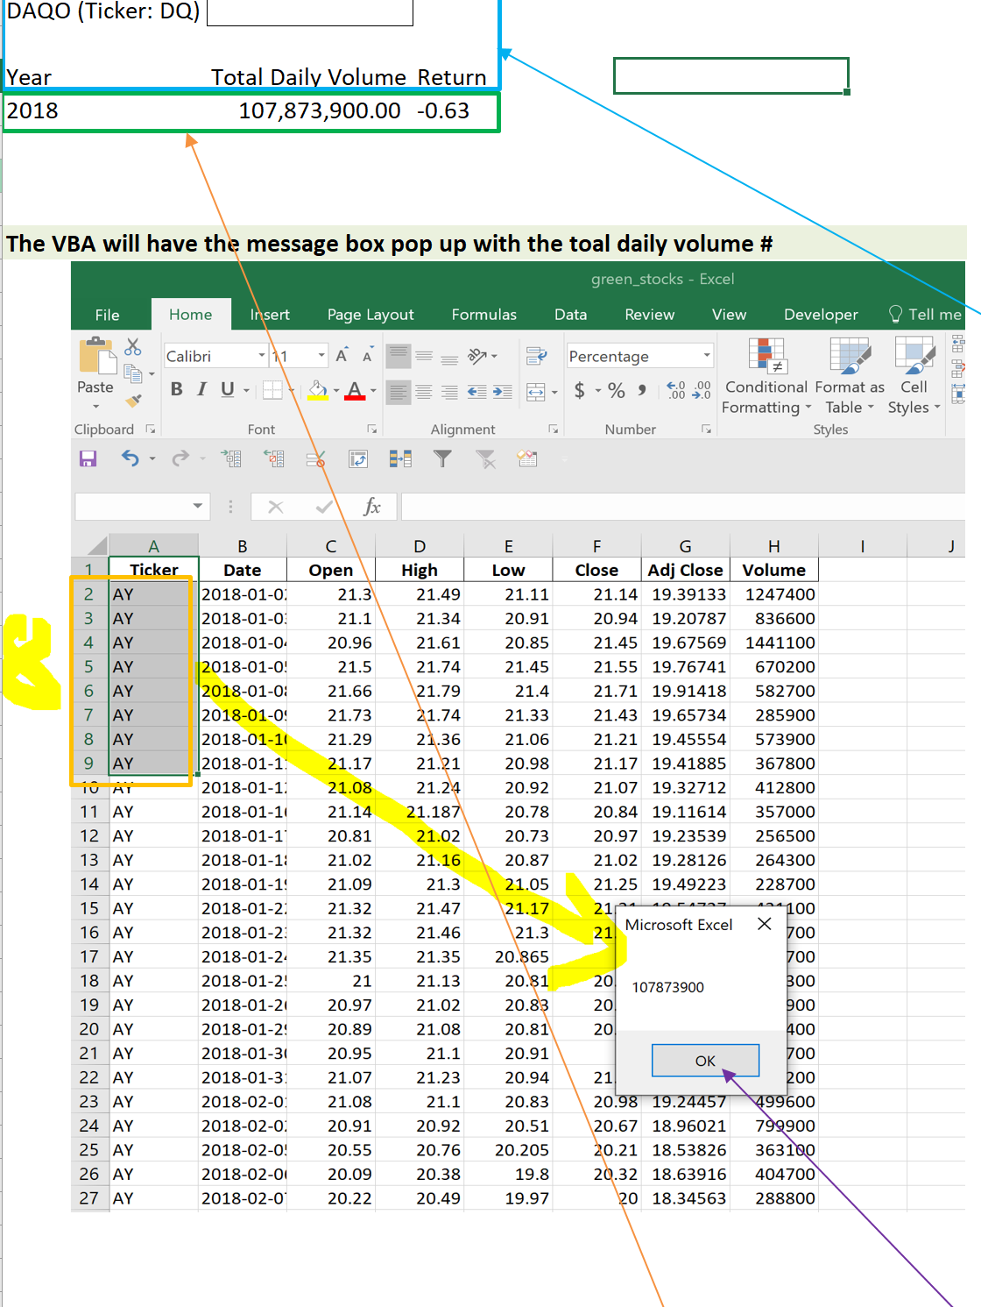

 | 2. Refer to all stocks analysis sheet. The stocks have had very low returns in the year 2018 which could be a result of a lot of factors like economy, any issues with green energy fuels or due to changes in the investment pattern of the investors.
 | Year 2017, green energy stocks have performed extremely well. However, in 2018, the stocks fallen down in price.
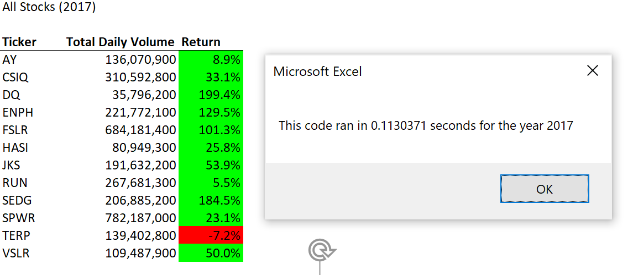
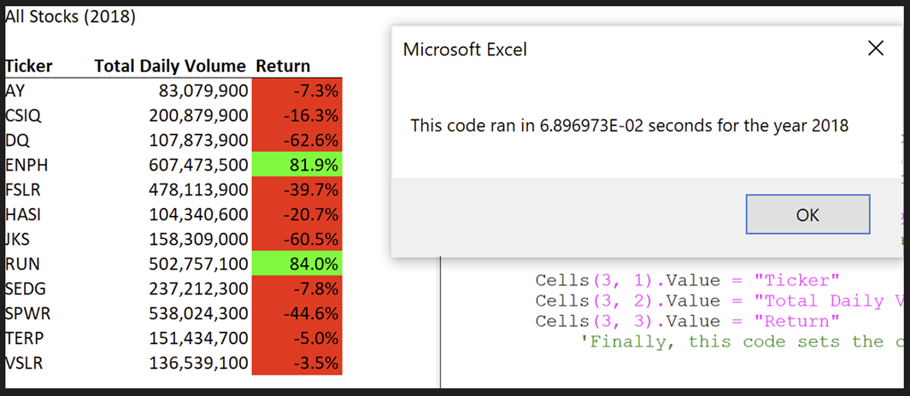

 | 3. It was important to analyze stocks of different companies. Hence, we ran a code on the stocks to understand the yearly output for both the years.
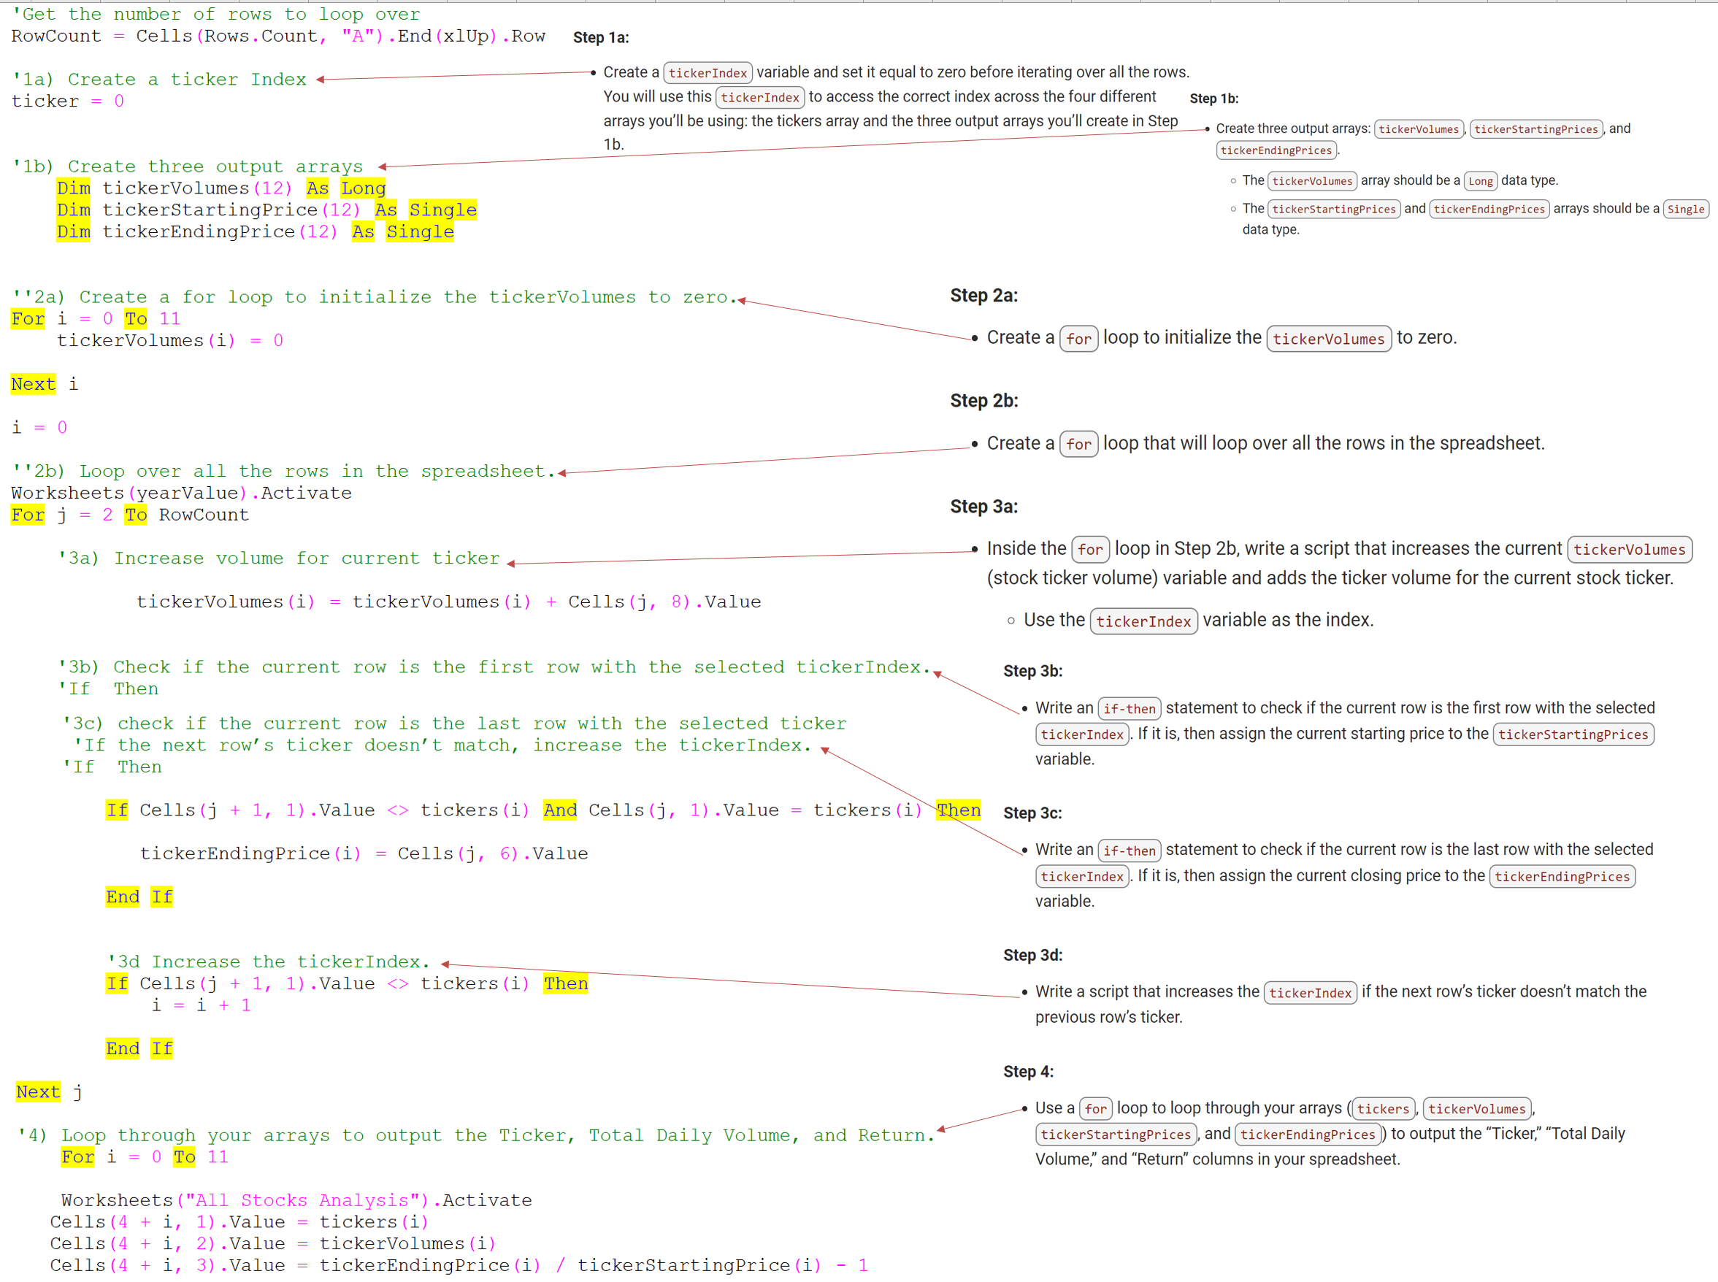

Summary | 1.What are the advantages or disadvantages of refactoring code?
 | After refactoring the code, we found that the biggest advantage of refactoring the code is directly related to the performance of the code. The code is able to run faster. So far there are no disadvantages in the code except while defining the arrays of the tickers there should be a possibility to define the arrays in the ticker list by writing a single code instead of defining the variable for all the 12 ticker names individually.

 | 2.How do these pros and cons apply to refactoring the original VBA script?
 | The pros of refactoring the original script are that the current code is more detailed and clearer to understand for anyone who refers to the code in future.
 | Con is N/A

Stock Analysis Using VBA

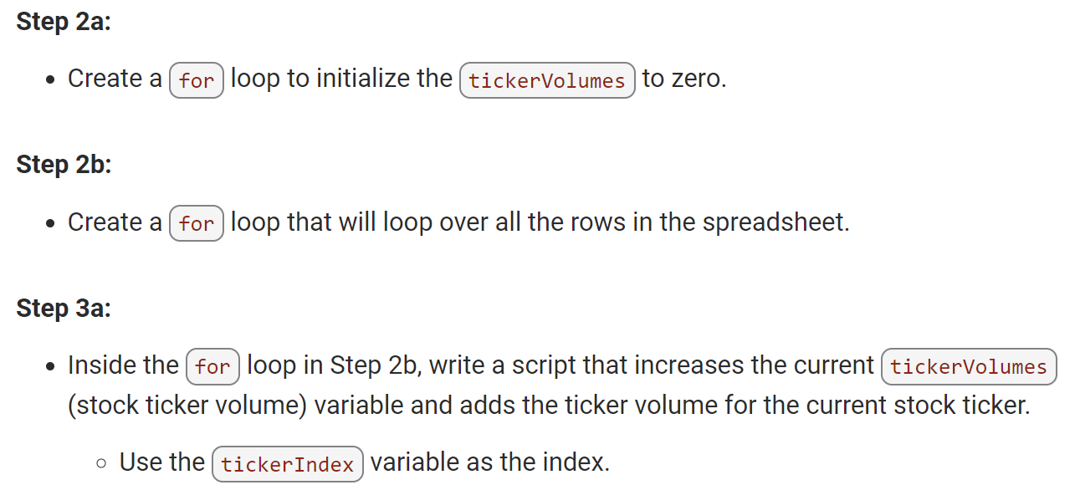
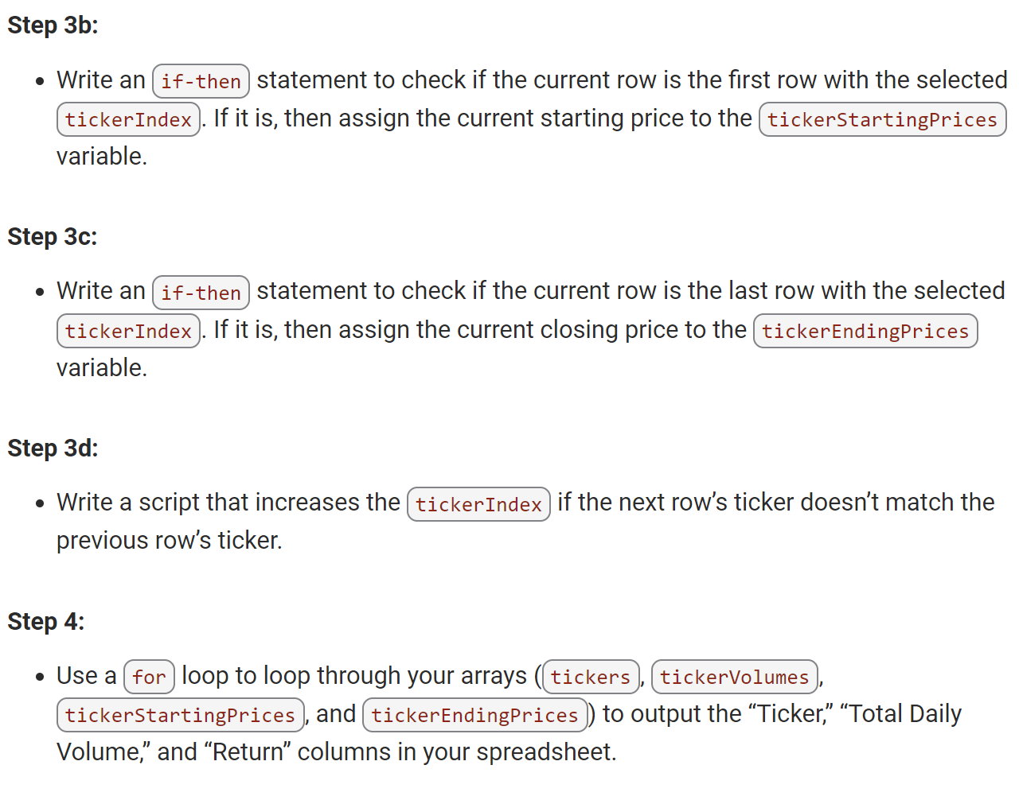
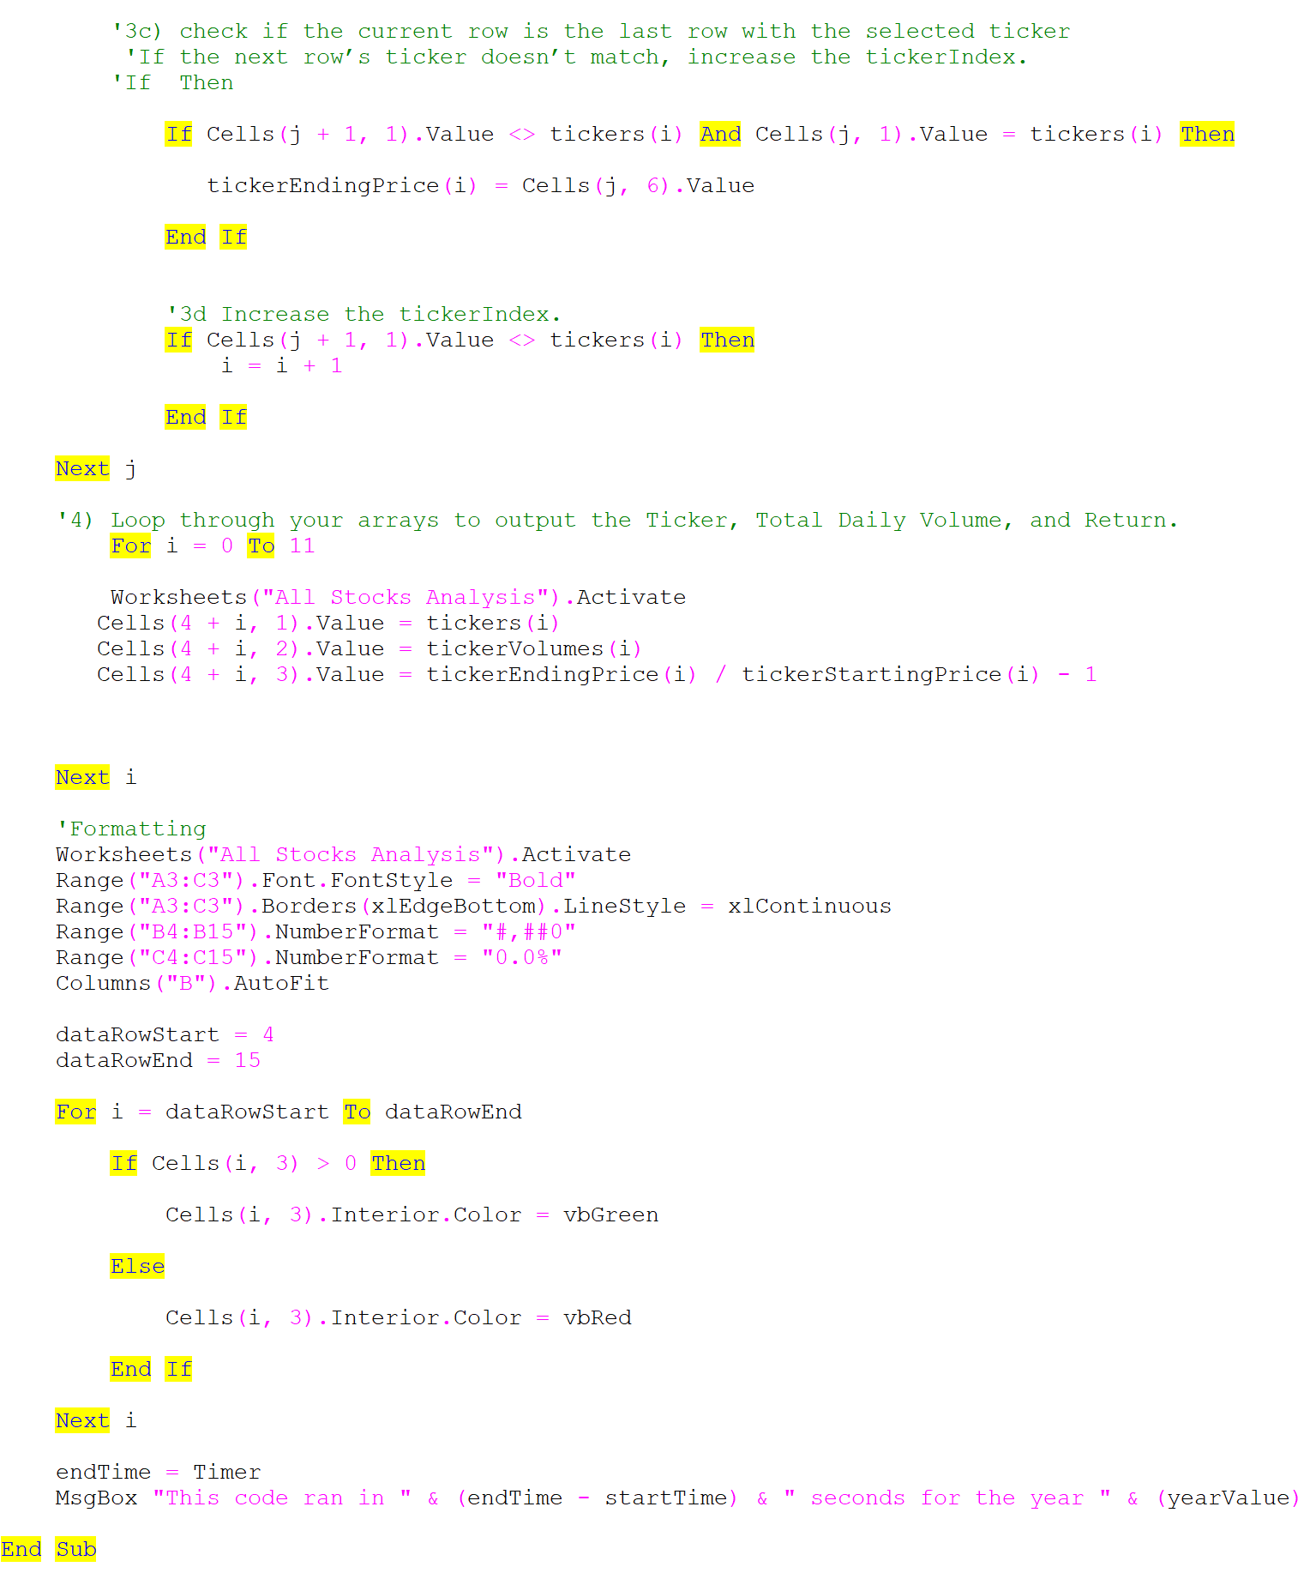
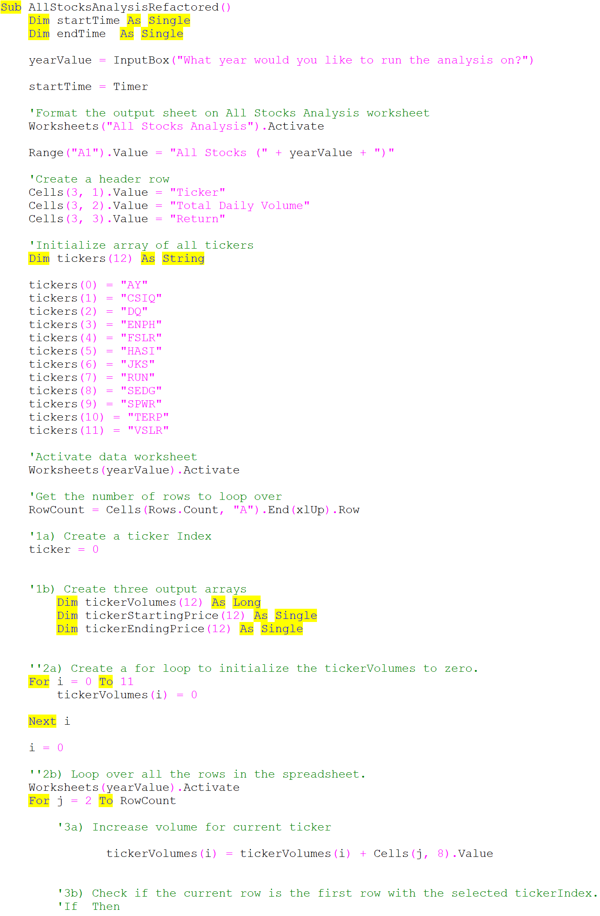
All Stocks (2018)

Ticker | Total Daily Volume | Return
AY | 83,079,900 | -7.3%
CSIQ | 200,879,900 | -16.3%
DQ | 107,873,900 | -62.6%
ENPH | 607,473,500 | 81.9%
FSLR | 478,113,900 | -39.7%
HASI | 104,340,600 | -20.7%
JKS | 158,309,000 | -60.5%
RUN | 502,757,100 | 84.0%
SEDG | 237,212,300 | -7.8%
SPWR | 538,024,300 | -44.6%
TERP | 151,434,700 | -5.0%
VSLR | 136,539,100 | -3.5%

DQ Analysis
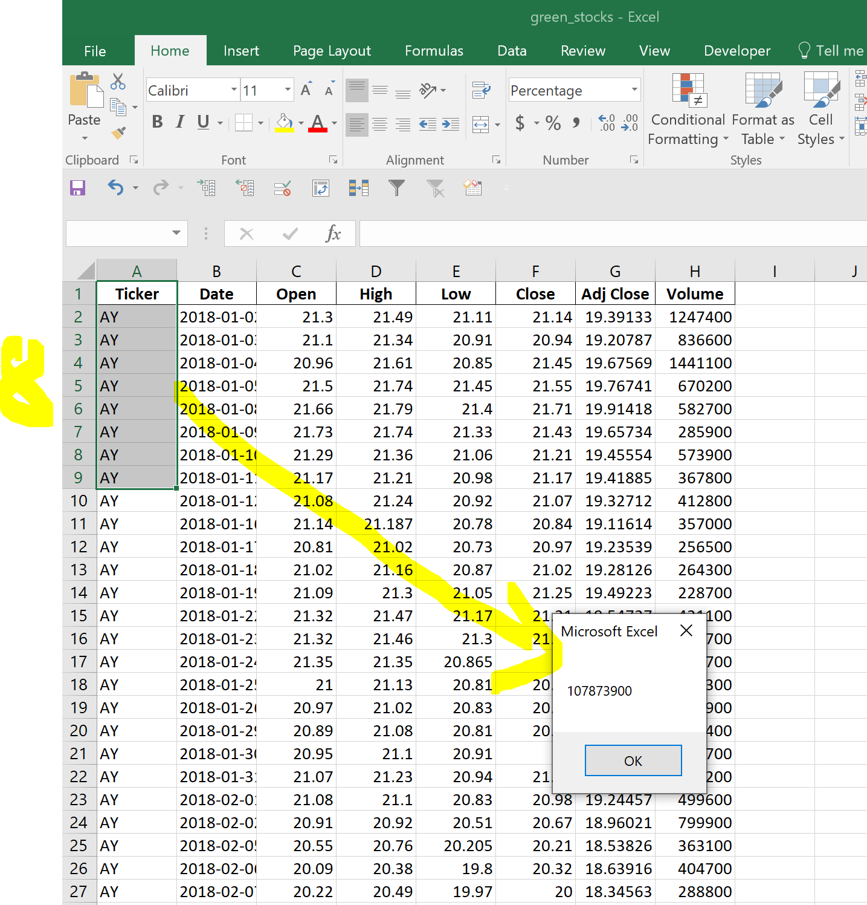
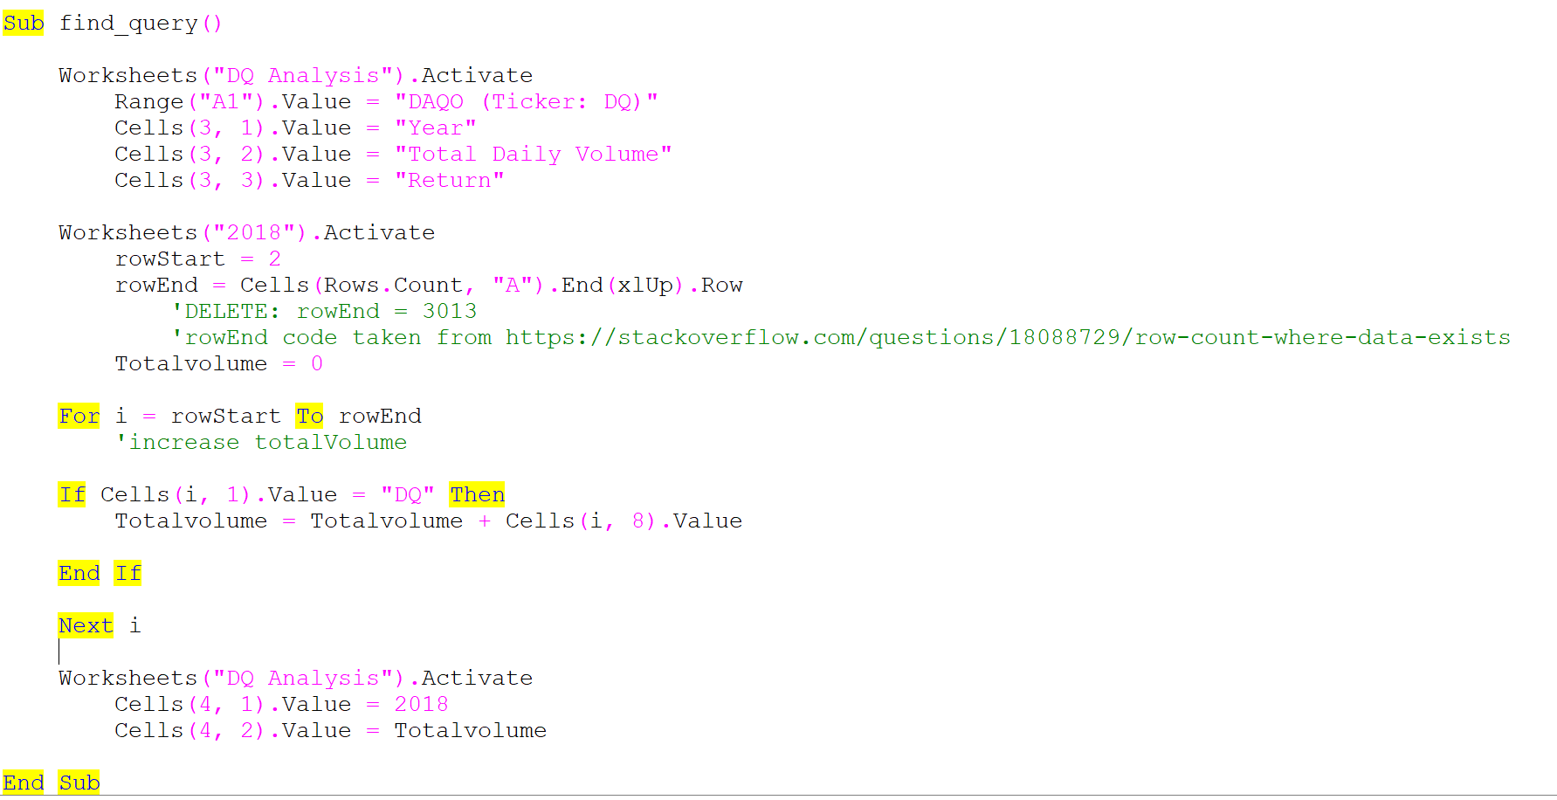
 |  |  | Daqo dropped over 63% in 2018—yikes! Steve will definitely want to offer some better stocks to his parents.

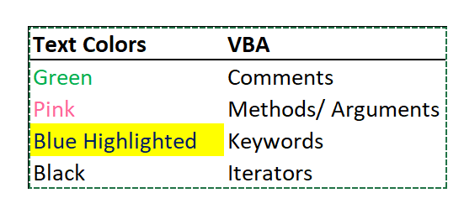
DAQO (Ticker: DQ)

Year | Total Daily Volume | Return
2018 | 107,873,900.00 | -0.63

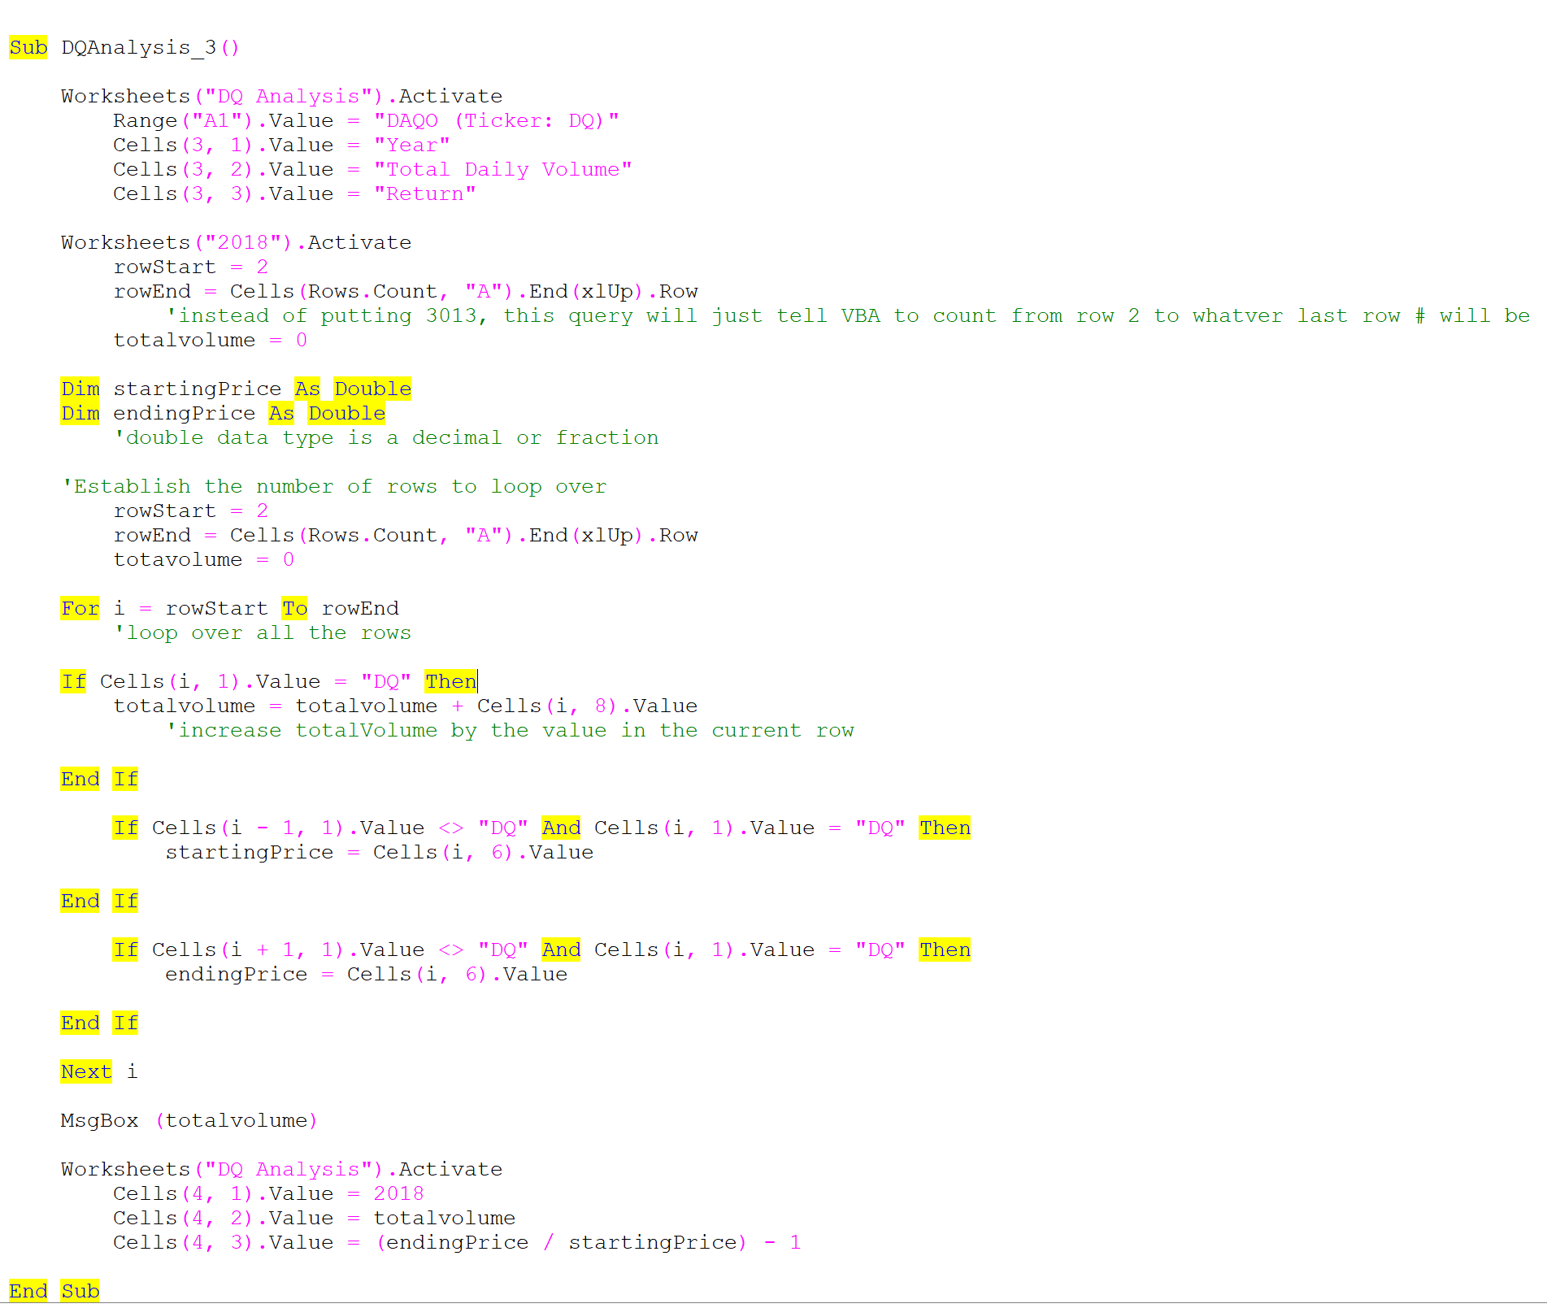
The VBA will have the message box pop up with the toal daily volume #

